Workbook Instructions
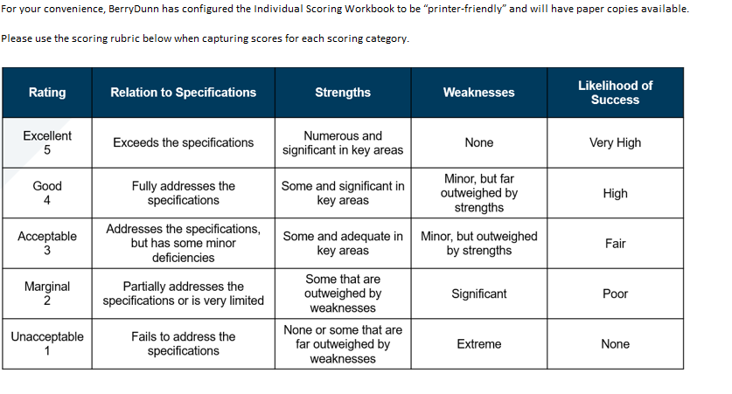
Individual Scoring Workbook Instructions:
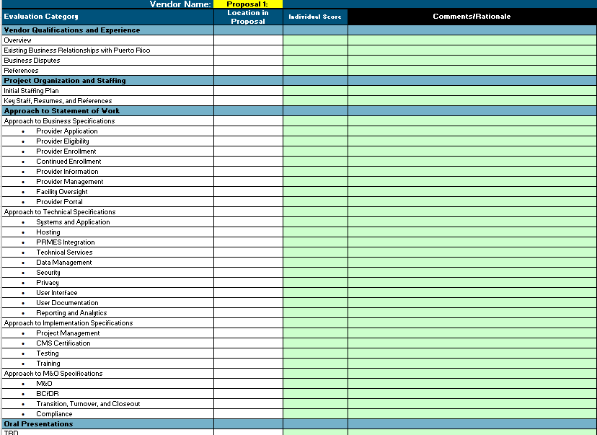 Please use the Individual Scoring Workbook to capture your individual scores and comments/rationale. During each Group Scoring Session, Scorers will discuss their individual scores, and the Evaluation Committee will address major variations. Individual scores are provided for informational purposes; they do not bind the Group Score. The Group Score is based on the Evaluation Committee's consensus. Final determination of a Group Score for each section will be arrived at through a facilitated discussion with Scorers during Group Scoring Sessions. Use the worksheet tabs below to capture your scores for each Vendor proposal.

 | Individual Scoring Review Best Practices and Instructions: Best practices dictate that all reading and scoring of a proposal should be completed prior to the Group Scoring Sessions for that proposal. Please score objectively – – Scores should be based on responses to the proposal itself and be based on verifiable information (no pre-conceived determinations/bias) – Only score based on the descriptions in the 1 – 5 scale – Include comments for all scores, as well as for items that may need clarification for orals presentations, contract negotiations, and award recommendation • Comments should be concise, declarative, de-personalized, and absent of emotion • All information and documentation may be subject to Freedom of Information Act For more information regarding the Evaluation Process, please review the “Evaluation Committee Kick-off Presentation” which was provided to you via email on UPDATE

